Bug Reports
Bug ID | Bug Name | Description | Steps to reproduce | Test data | Expected result | Actual result | Repro rate | Attachments | Priority | Severity

BR- 01 | User can't delete entered color name in the field | In text field where user can enter single color name, after they enteres text for one color name they can't delete color that text until they refresh page | 1.Open web browser and open webpage | webpage: https://demoqa.com
 |  |  | 2. Click on Widgets span
 |  |  | 3. Click on "Auto Complete" tile on the left side of the page
 |  |  | 4. Enter text in field for single color name and click on entered text in the dropdown | text: Green
 |  |  | 5. Delete entered text in the field |  | User can click on text-box and delete entered text | User cannot delete the text until they refresh the page | 100% | 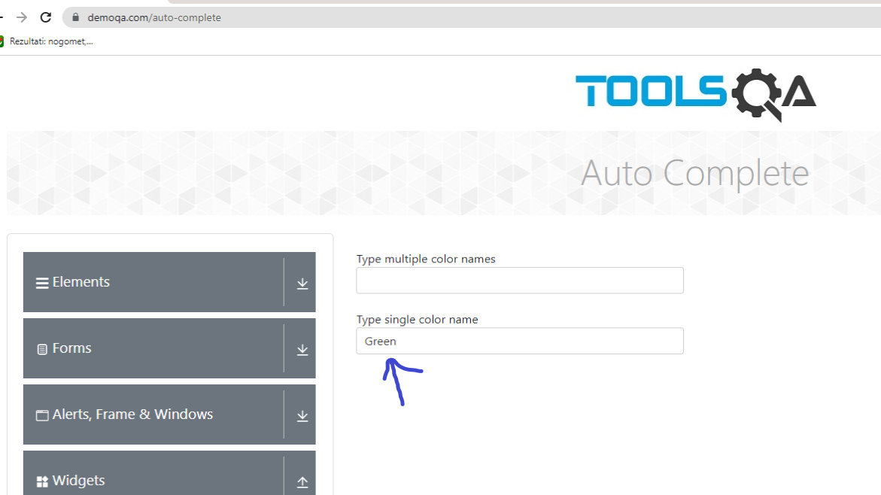 | Low | Medium

